Headphones
ITEM CODE |  | CARTON QUANTITY | IMAGE | QTY
INTERACTIVE HEADPHONES
LOL814 | LOL KIDS INTERACTIVE HEADPHONES | 30 | 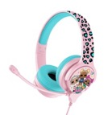 | 60
GAMING
KB0948 | PRO G4 Kirby Gaming headphones | 15 | 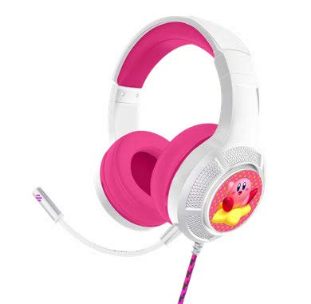 | 45
NF0939 | PRO G4 Nerf Gaming headphones | 15 | 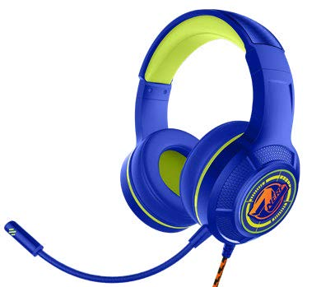 | 105
NF0977 | PRO G5 Nerf Gaming headphones | 16 |  | 75
BLUETOOTH V2
ZD0999 | Zelda Kids Wireless Headphones | 20 | 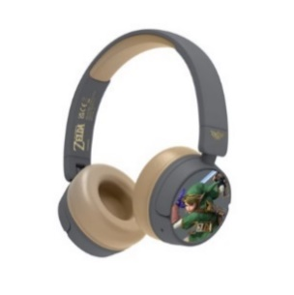 | 300

 |  |  |  | 585

